Rules
Rules
Predict the score for each game during the tournament (score at full time). Predictions for games are required to be submitted at least 10 minutes before kick-off.
Before the first game is played, additional predictions are required such as finalists and group winners need to be made.
Initially, you can predict just the first phase of group games (and the extra predictions). Please predict at least the first game for every Country in their group - if you want to predict all the group games and then alter your prediction (at least 10 mins) before kickoff for the later games then that’ll be fine too. If you fail to make a prediction, you will not get any points.
As the competition progresses, predictions for the next phases (after the group stage) throughout the knock phase of the competition are needed. These games will be marked on the score at full time (NOT after extra time if the game is a draw at full time). Again, changes will be allowed to predictions up until 10 minutes before kick-off.
Points are awarded as follows:
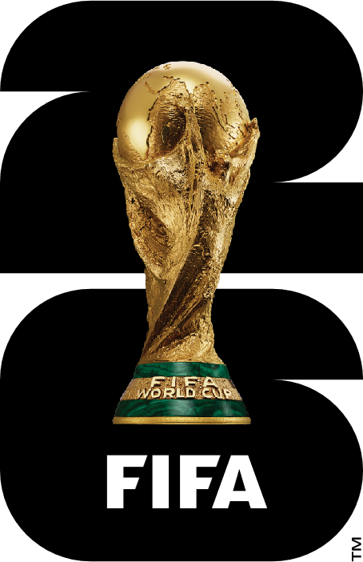

Game predictions
Each game – points are awarded for the score when the game ends after 90 minutes(plus additional time where this is added to the 90 minutes). NOT after extra time in the knockout phases

Category | Definition |  | Points
Correct Result | Predicting the exact score |  | 5
Correct Forecast | Predicting a winning team or a draw but not exact score |  | 2
Incorrect Forecast | Did not predict correct result or forecast |  | 0

Predictions before the tournament starts
For each of the below categories 'Points' are awarded for each correct instance within the category

Category |  | Definition | Points
Group Stage Winners |  | Predicting a Group Winner | 3
Finalists |  | Predicting the 2 teams in the Final | 5
Overall Winner |  | Predicting the Tournament Winner | 5
Highest Goal Scoring Team |  | Predicting the Highest scoring Country (not including goals scored in penalty shootouts) | 5

Highest Goal Scorer |  | Predicting the Highest goal scorer for selected Countries (not including goals scored in penalty shootouts) | 3

Total Goals Conceded by |  | Predicting number of goals conceded by selected Countries (not including goals scored in penalty shootouts) | 3

Extra_Details
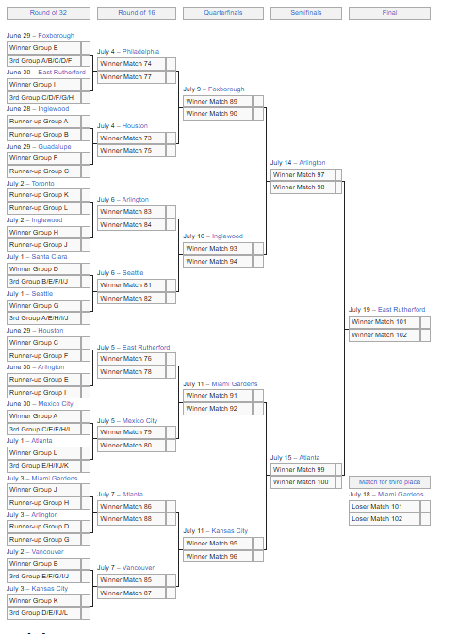

https://en.wikipedia.org/wiki/2026_FIFA_World_Cup

Tie-breaking criteria for World Cup groups
If two or more teams in the same group are equal on points after the completion of the group stage, the following criteria, in the order below, shall be applied to determine the ranking:
Step one
greatest number of points obtained in the group matches between the teams concerned
superior goal difference resulting from the group matches between the teams concerned
greatest number of goals scored in all group matches between the teams concerned
If no decision can be made through this procedure, the criteria below shall apply as follows to the two or more teams still equal on points:
Step two
superior goal difference in all group matches
greatest number of goals scored in all group matches
highest team conduct score (players and team officials) relating to the number of yellow and red cards obtained
If no decision can be made through the procedures of step one and two above, the following shall apply:
Step three
the two or more teams still equal on points shall be ranked according to the most recent published edition of the FIFA/Coca‑Cola Men’s World Ranking

How the eight best‑ranked teams finishing third are decided
The eight best teams among those ranked third will be determined as follows:
greatest number of points obtained in all group matches
goal difference resulting from all group matches
greatest number of goals scored in all group matches
highest team conduct score (players and team officials) relating to the number of yellow and red cards obtained in all group matches

https://www.fifa.com/en/tournaments/mens/worldcup/canadamexicousa2026/articles/groups-how-teams-qualify-tie-breakers

